HP Consumption
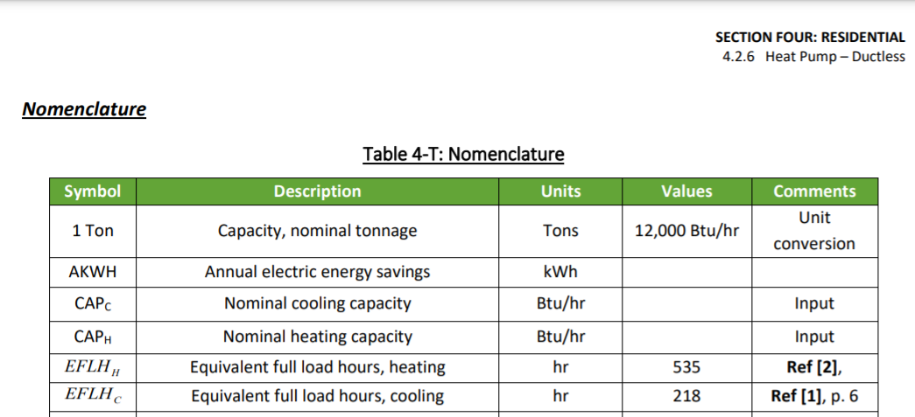
Cooling/Heating
Scenario | Type | Capacity | SEER | HSPF | Heating Displacement | EFLH (cool) | EFLH (heat) | Annual Cooling Consumption (kWh) | Annual Heating Consumption (kWh) | Total Annual Consumption (kWh)
A | MSHP | 12000 | 20 | 10.6 | Partial | 218 | 535 | 131 | 606 | 736
B | MSHP | 24000 | 17.6 | 10.6 | Partial | 218 | 535 | 297 | 1211 | 1509
C | MSHP | 12000 | 20 | 10.6 | Partial | 218 | 535 | 131 | 606 | 736
D | MSHP | 24000 | 17.6 | 10.6 | Partial | 218 | 535 | 297 | 1211 | 1509
E | MSHP | 12000 | 20 | 10.6 | Partial | 218 | 535 | 131 | 606 | 736
F | MSHP | 24000 | 17.6 | 10.6 | Partial | 218 | 535 | 297 | 1211 | 1509
G | MSHP | 36000 | 17.6 | 10.6 | Full | 218 | 862 | 446 | 2928 | 3373
H | MSHP | 48000 | 17.6 | 10.6 | Full | 218 | 862 | 595 | 3903 | 4498
I | MSHP | 36000 | 17.6 | 10.6 | Full | 218 | 862 | 446 | 2928 | 3373
J | MSHP | 48000 | 17.6 | 10.6 | Full | 218 | 862 | 595 | 3903 | 4498
K | MSHP | 36000 | 17.6 | 10.6 | Full | 218 | 862 | 446 | 2928 | 3373
L | MSHP | 48000 | 17.6 | 10.6 | Full | 218 | 862 | 595 | 3903 | 4498
M | CASHP | 36000 | 17.6 | 10.6 | Full | 419 | 862 | 857 | 2928 | 3785
N | CASHP | 48000 | 17.6 | 10.6 | Full | 419 | 862 | 1143 | 3903 | 5046
O | CASHP | 36000 | 17.6 | 10.6 | Full | 419 | 862 | 857 | 2928 | 3785
P | CASHP | 48000 | 17.6 | 10.6 | Full | 419 | 862 | 1143 | 3903 | 5046
 |  |  |  |  | Sources: | 2021 4.2.6 Ductless HP PSD for MSHP, 2021 ASHP MA TRM for CASHP (PSD does not have a value for ASHP) | 2021 4.2.6 Ductless HP PSD for partial displacement, 2021 4.2.2 Residential Heat Pump PSD for full

DHW
Scenario | Type | Size (gallons) | Average Residential Annual Water heating load (btu) | UEF | Annual Consumption (kWh)
Q | HP WH | 50 | 11,197,132 | 3.3 | 994.45202316
R | HP WH | 50 | 11,197,132 | 3.3 | 994.45202316
 |  | Sources: | Fossil water heater PSD residential water heating load

Baseline Consumption
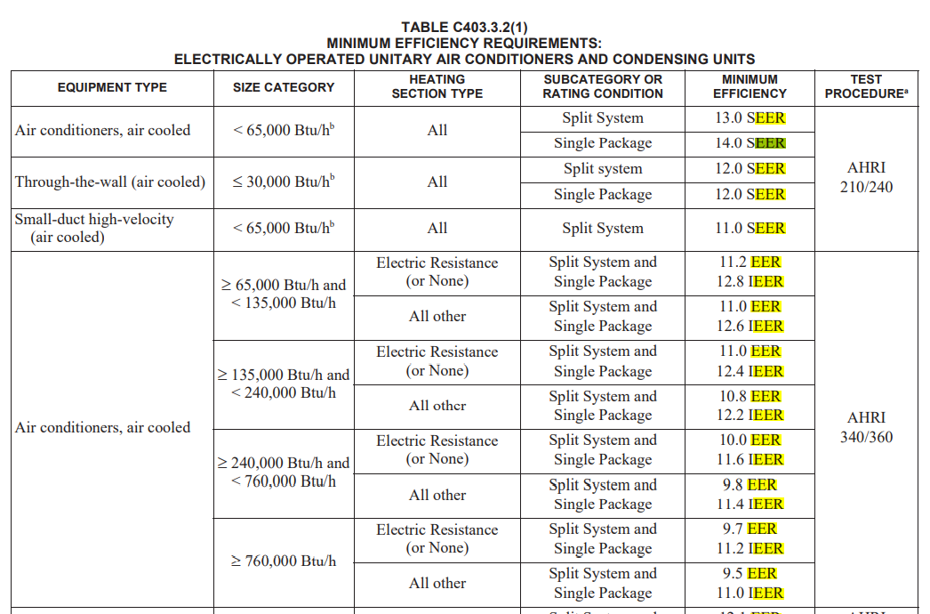
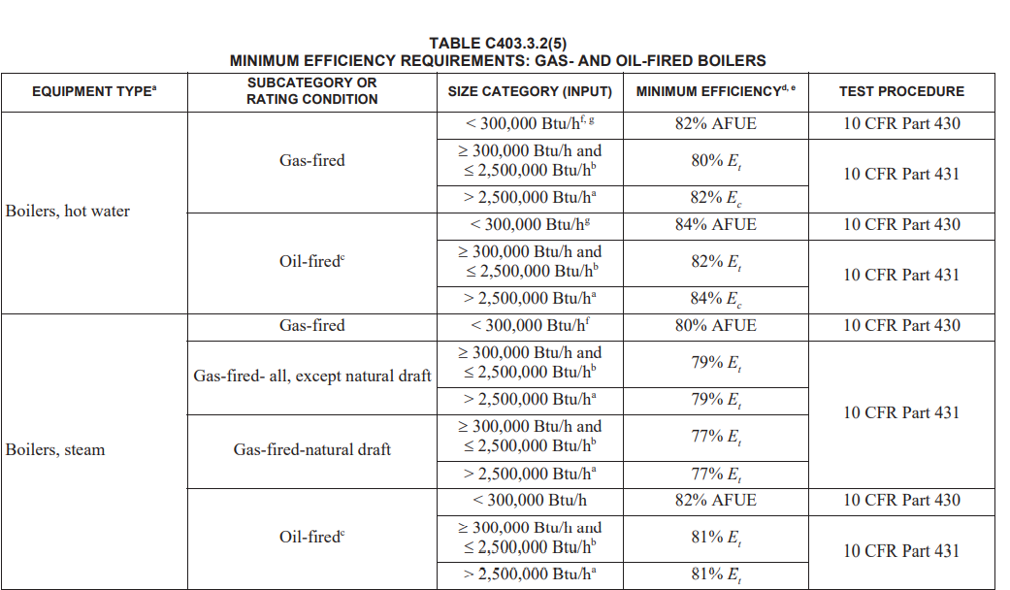
Cooling/Heating
Scenario | Type | Capacity | Heating Displacement | Baseline Cooling | Baseline Heating | EER/SEER | Heating Efficiency | EFLH (cool) | EFLH (heat) | Annual Cooling Consumption (kWh) | Annual Heating Consumption (kWh) | Annual Heating Consumption (MMBTU) | Total Annual Consumption (kWh)
A | MSHP | 12000 | Partial | Window AC | Oil Boiler | 11 | 80% | 218 | 535 | 238 |  | 8 | 238
B | MSHP | 24000 | Partial | Window AC | Oil Boiler | 11 | 80% | 218 | 535 | 476 |  | 16 | 476
C | MSHP | 12000 | Partial | Window AC | Electric Resistance | 11 | 100% | 218 | 535 | 238 | 1882 |  | 2119
D | MSHP | 24000 | Partial | Window AC | Electric Resistance | 11 | 100% | 218 | 535 | 476 | 3763 |  | 4239
E | MSHP | 12000 | Partial | No cooling | Electric Resistance | N/A | 100% | 218 | 535 | 0 | 1882 |  | 1882
F | MSHP | 24000 | Partial | No cooling | Electric Resistance | N/A | 100% | 218 | 535 | 0 | 3763 |  | 3763
G | MSHP | 36000 | Full | Window AC | Oil Boiler | 11 | 84% | 218 | 862 | 713 |  | 37 | 713
H | MSHP | 48000 | Full | Window AC | Oil Boiler | 11 | 84% | 218 | 862 | 951 |  | 49 | 951
I | MSHP | 36000 | Full | Window AC | Electric Resistance | 11 | 100% | 218 | 862 | 713 | 9095 |  | 9808
J | MSHP | 48000 | Full | Window AC | Electric Resistance | 11 | 100% | 218 | 862 | 951 | 12127 |  | 13078
K | MSHP | 36000 | Full | No cooling | Electric Resistance | N/A | 100% | 218 | 862 | 0 | 9095 |  | 9095
L | MSHP | 48000 | Full | No cooling | Electric Resistance | N/A | 100% | 218 | 862 | 0 | 12127 |  | 12127
M | CASHP | 36000 | Full | Central AC | Oil Boiler | 13 | 84% | 419 | 862 | 1160 |  | 37 | 1160
N | CASHP | 48000 | Full | Central AC | Oil Boiler | 13 | 84% | 419 | 862 | 1547 |  | 49 | 1547
O | CASHP | 36000 | Full | Central AC | Electric Resistance | 13 | 100% | 419 | 862 | 1160 | 9095 |  | 10255
P | CASHP | 48000 | Full | Central AC | Electric Resistance | 13 | 100% | 419 | 862 | 1547 | 12127 |  | 13674
 |  |  |  |  | Sources: | Code | Code for full, Estimated existing efficiency for Partial | 2021 4.2.6 Ductless HP PSD for MSHP, 2021 ASHP MA TRM for CASHP (PSD does not have a value for ASHP) | 2021 4.2.6 Ductless HP PSD for partial displacement, 2021 4.2.2 Residential Heat Pump PSD for full

DHW
Scenario | Type | Size (gallons) | Baseline | Average Residential Annual Water heating load (btu) | UEF | Annual Consumption (kWh) | Annual Consumption (MMBTU)
Q | HP WH | 50 | Electric WH | 11,197,132 | 0.93 | 3529
R | HP WH | 50 | Oil WH | 11,197,132 | 0.8 |  | 14
 |  |  | Source: | Fossil water heater PSD residential water heating load | PSD for oil, Navigant study for electric

Cost Data
 |  |  |  |  |  |  |  | Baseline Cooling |  |  |  | Baseline Heating |  |  |  | Baseline Combined | Install
Scenario | Type | Tons/ Gallons | Cooling Efficiency (SEER) | Heating Efficiency (HSPF/UEF) | Heating Displacement | Baseline Cooling | Baseline Heating | Equipment Cost | Installation Cost | Total Cost | Source | Equipment Cost | Installation Cost | Total Cost | Source | Total Cost | Install Cost (eqt) | Install Cost (install) | Install cost (total) | Source
A | MSHP | 1 | 20 | 10.6 | Partial | Window AC | Oil Boiler | $780 | $69 | $849 | RS Means 2020 Hartford CT | $0 | $0 | $0 |  | $849 | - | - | $5,204 | CT Program Average Data
B | MSHP | 2 | 17.6 | 10.6 | Partial | Window AC | Oil Boiler | $1,560 | $137 | $1,697 | RS Means 2020 Hartford CT | $0 | $0 | $0 |  | $1,697 | - | - | $10,408 | CT Program Average Data
C | MSHP | 1 | 20 | 10.6 | Partial | Window AC | Electric Resistance | $780 | $69 | $849 | RS Means 2020 Hartford CT | $0 | $0 | $0 |  | $849 | - | - | $5,204 | CT Program Average Data
D | MSHP | 2 | 17.6 | 10.6 | Partial | Window AC | Electric Resistance | $1,560 | $137 | $1,697 | RS Means 2020 Hartford CT | $0 | $0 | $0 |  | $1,697 | - | - | $10,408 | CT Program Average Data
E | MSHP | 1 | 20 | 10.6 | Partial | No cooling | Electric Resistance | $0 | $0 | $0 | RS Means 2020 Hartford CT | $0 | $0 | $0 |  | $0 | - | - | $5,204 | CT Program Average Data
F | MSHP | 2 | 17.6 | 10.6 | Partial | No cooling | Electric Resistance | $0 | $0 | $0 | RS Means 2020 Hartford CT | $0 | $0 | $0 |  | $0 | - | - | $10,408 | CT Program Average Data
G | MSHP | 3 | 17.6 | 10.6 | Full | Window AC | Oil Boiler | $2,340 | $206 | $2,546 | RS Means 2020 Hartford CT | $2,010 | $649 | $2,659 | RS Means 2020 Hartford CT | $5,204 | - | - | $15,612 | CT Program Average Data
H | MSHP | 4 | 17.6 | 10.6 | Full | Window AC | Oil Boiler | $3,120 | $274 | $3,394 | RS Means 2020 Hartford CT | $2,010 | $649 | $2,659 | RS Means 2020 Hartford CT | $6,053 | - | - | $20,815 | CT Program Average Data
I | MSHP | 3 | 17.6 | 10.6 | Full | Window AC | Electric Resistance | $2,340 | $206 | $2,546 | RS Means 2020 Hartford CT |  |  |  | RS Means 2020 Hartford CT | $2,546 | - | - | $15,612 | CT Program Average Data
J | MSHP | 4 | 17.6 | 10.6 | Full | Window AC | Electric Resistance | $3,120 | $274 | $3,394 | RS Means 2020 Hartford CT |  |  |  | RS Means 2020 Hartford CT | $3,394 | - | - | $20,815 | CT Program Average Data
K | MSHP | 3 | 17.6 | 10.6 | Full | No cooling | Electric Resistance | $0 | $0 | $0 | RS Means 2020 Hartford CT |  |  |  | RS Means 2020 Hartford CT | $0 | - | - | $15,612 | CT Program Average Data
L | MSHP | 4 | 17.6 | 10.6 | Full | No cooling | Electric Resistance | $0 | $0 | $0 | RS Means 2020 Hartford CT |  |  |  | RS Means 2020 Hartford CT | $0 | - | - | $20,815 | CT Program Average Data
M | CASHP | 3 | 17.6 | 10.6 | Full | Central AC | Oil Boiler | $1,250 | $553 | $1,803 | RS Means 2020 Hartford CT | $2,010 | $649 | $2,659 | RS Means 2020 Hartford CT | $4,462 | - | - | $15,099 | Navigant Heat Pump Cost Study (RES 23) for Program Administrators of Massachusetts
N | CASHP | 4 | 17.6 | 10.6 | Full | Central AC | Oil Boiler | $1,667 | $738 | $2,404 | RS Means 2020 Hartford CT | $2,010 | $649 | $2,659 | RS Means 2020 Hartford CT | $5,063 | - | - | $20,132 | Navigant Heat Pump Cost Prorated for 4 tons Study (RES 23) for Program Administrators of Massachusetts
O | CASHP | 3 | 17.6 | 10.6 | Full | Central AC | Electric Resistance | $1,250 | $553 | $1,803 | RS Means 2020 Hartford CT |  |  |  | RS Means 2020 Hartford CT | $1,803 | - | - | $15,099 | Navigant Heat Pump Cost Study (RES 23) for Program Administrators of Massachusetts
P | CASHP | 4 | 17.6 | 10.6 | Full | Central AC | Electric Resistance | $1,667 | $738 | $2,404 | RS Means 2020 Hartford CT |  |  |  | RS Means 2020 Hartford CT | $2,404 | - | - | $20,132 | Navigant Heat Pump Cost Prorated for 4 tons
Q | HP WH | 50 | N/A | 3.3 | Full | N/A | Electric WH | - | - | n/a | n/a | - | - | $1,469 | Navigant Water Heating, Boiler, and Furnace Cost Study (RES 19) for Program Administrators of Massachusetts | $1,469 | - | - | $2,370 | Navigant Water Heating, Boiler, and Furnace Cost Study (RES 19) for Program Administrators of Massachusetts
R | HP WH | 50 | N/A | 3.3 | Full | N/A | Oil WH | - | - | n/a | n/a | - | - | $2,243 | Navigant Water Heating, Boiler, and Furnace Cost Study (RES 19) for Program Administrators of Massachusetts | $2,243 | - | - | $2,370 | Navigant Water Heating, Boiler, and Furnace Cost Study (RES 19) for Program Administrators of Massachusetts

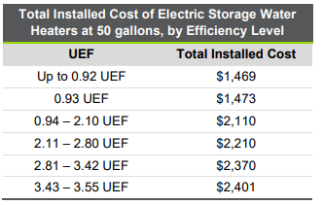
 |  |  |  |  |  |  |  |  |  |  |  |  |  |  |  |  |  |  |  |  | https://ma-eeac.org/wp-content/uploads/RES19_Assembled_Report_2018-09-27.pdf

 |  |  |  |  |  |  |  |  |  |  |  |  |  |  |  |  |  |  |  |  | https://ma-eeac.org/wp-content/uploads/RES28_Assembled_Report_2018-10-05.pdf

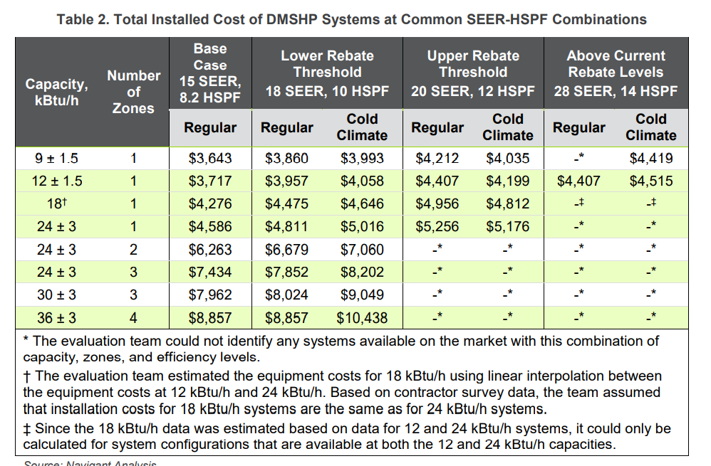
 |  |  |  |  |  |  |  |  |  |  |  |  |  |  |  |  |  |  |  |  | https://ma-eeac.org/wp-content/uploads/RES23_Task2_AC-HP_Cost_Study_Results_Memo_v3_clean.pdf

 |  |  |  |  |  |  |  |  |  |  |  |  |  |  |  |  | Electric Resistance Cost
 |  |  |  |  |  |  |  |  |  |  |  |  |  |  |  |  | Equip Cost | Install Cost
 |  |  |  |  |  |  |  |  |  |  |  |  |  |  |  | 4' 1000 watt | 40.5 | 59.5
 |  |  |  |  |  |  |  |  |  |  |  |  |  |  |  | per equivalent heat pump tonnage | 442.51101897 | 650.10878095

